Use Case 1
Email notification that a request was created or if the status of the request has changed to the respective users involved.
Dealer: Creator and SuperAdmin
Heuver: SuperAdmin
Fleet: SuperAdmin

Fleet receives notification that they need to approve the special deal. Information regarding Sell-Out Price and product should be shared. If approval given (orange) - dealer receives the ok - if not given it goes back to Heuver. (blue)
Cool feature would be if the user could click in the email approved / denied w/o going into the fleet approval portal.

Dealer Portal
Use Case 1: The dealer informs Heuver that the SLA tire products are not in stock and another tire needs to be taken.
Admin Portal Heuver
Heuver discusses the terms with the dealer. Heuver adds the tire product and sell in / sell out price to the system. Heuver than has the chance to send the approval to the dealer or to ask for the fleet approval.
Fleet approval portal

Fleet Approval portal should have only the overview with services done and another task list where approvals are pending.

Overview of pending service approvals is needed in the dealer portal

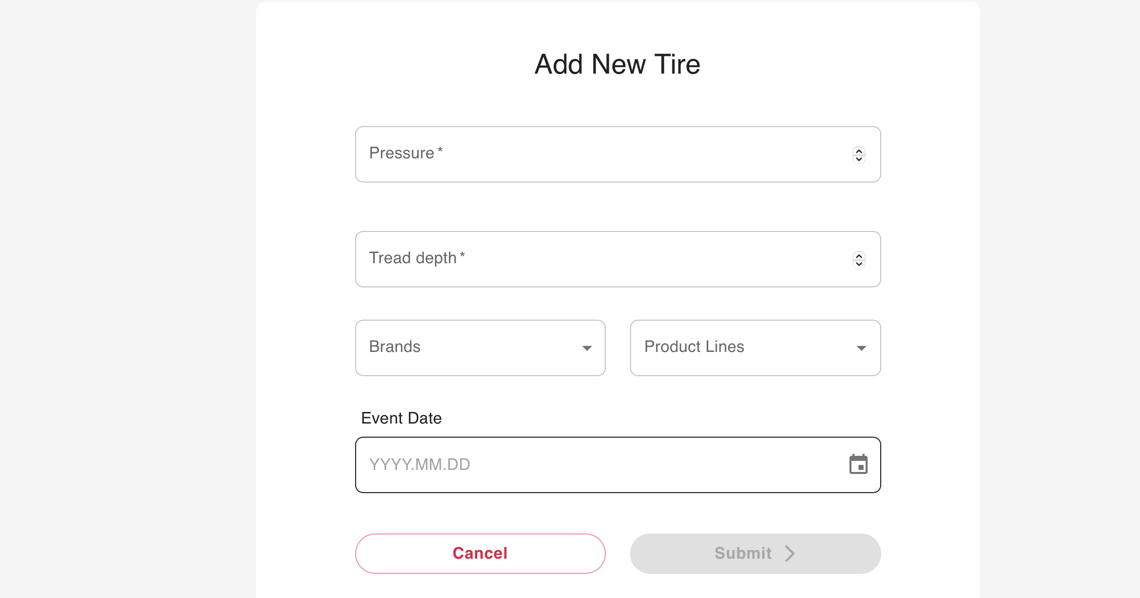
Dealer Portal Addition:
Services need to get the following tags as status:
Approval requested
Approval given
Approval denied

Please show here only the given options out of the SLA.
+
Add a button - "Different tire - ask for approval"
Let the dealer add the tire information already so that in case of an approval given the process of reimbursement can be started right away.
Purchase Order, Sales order, bill template is just created as soon as the approval was given. All changes in the CO2OPT System are just taken in as soon approval was given.

Use Case 2
Dealer Portal
Use Case 2: The dealer informs Heuver during a fleetcheck or tire change that a tire which is mounted currently is not on the tire position anymore.
Admin Portal HeuverUse
Approval given
CO2OPT database
CO2OPT handles the tire as it would be a tire burst.

Dealer Portal Addition:
Services need to get the following tags as status:
Approval requested
Approval given
Approval denied

